Counties
County | Number of proposed checks | Number of approved checks | State | For mapping | Key:
Aitkin | 0 | 0 | Minnesota | 2 | Means checks proposed in county but not approved/confirmed
Anoka | 105 | 95 | Minnesota | 0 | Means no checks proposed in county
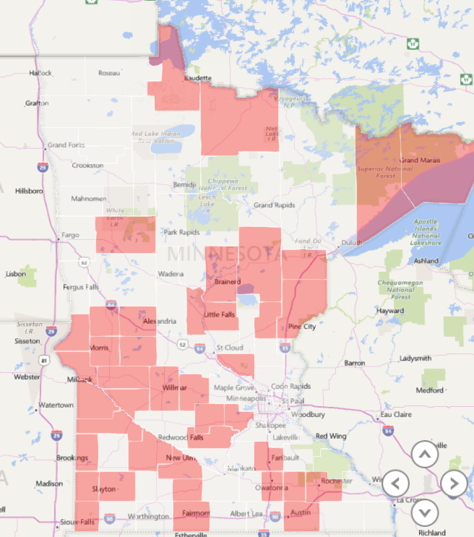
Becker | 0 | 0 | Minnesota | 2
Beltrami | 22 | 22 | Minnesota | 0
Benton | 23 | 26 | Minnesota | 0
Big Stone | 0 | 0 | Minnesota | 2
Blue Earth | 75 | 60 | Minnesota | 0
Brown |  | 0 | Minnesota | 2
Carlton | 0 | 0 | Minnesota | 2
Carver | 0 | 0 | Minnesota | 2
Cass | 37 | 37 | Minnesota | 0
Chippewa |  | 0 | Minnesota | 2
Chisago | 11 | 15 | Minnesota | 0
Clay | 14 | 15 | Minnesota | 0
Clearwater | 28 | 30 | Minnesota | 0
Cook | 0 | 0 | Minnesota | 2
Cottonwood | 2 | 2 | Minnesota | 0
Crow Wing | 0 | 0 | Minnesota | 2
Dakota | 66 | 71 | Minnesota | 0
Dodge | 0 | 0 | Minnesota | 2
Douglas | 0 | 0 | Minnesota | 2
Faribault | 14 | 31 | Minnesota | 0
Fillmore | 50 | 50 | Minnesota | 0
Freeborn | 9 | 9 | Minnesota | 0
Goodhue | 17 | 18 | Minnesota | 0
Grant | 0 | 0 | Minnesota | 2
Hennepin | 459 | 161 | Minnesota | 0
Houston | 4 | 4 | Minnesota | 0
Hubbard | 46 | 50 | Minnesota | 0
Isanti | 15 | 20 | Minnesota | 0
Itasca | 20 | 20 | Minnesota | 0
Jackson | 7 | 14 | Minnesota | 0
Kanabec | 0 | 0 | Minnesota | 2
Kandiyohi | 0 | 0 | Minnesota | 2
Kittson | 7 | 7 | Minnesota | 0
Koochiching | 0 | 0 | Minnesota | 2
Lac Qui Parle | 0 | 0 | Minnesota | 2
Lake | 0 | 0 | Minnesota | 2
Lake of the Woods | 0 | 0 | Minnesota | 2
Le Sueur | 20 | 20 | Minnesota | 0
Lincoln | 0 | 0 | Minnesota | 2
Lyon | 5 | 4 | Minnesota | 0
Mahnomen | 10 | 10 | Minnesota | 0
Marshall | 15 | 15 | Minnesota | 0
Martin | 0 | 0 | Minnesota | 2
McLeod | 0 | 0 | Minnesota | 2
Meeker | 0 | 0 | Minnesota | 2
Mille Lacs | 10 | 12 | Minnesota | 0
Morrison | 0 | 0 | Minnesota | 2
Mower | 0 | 0 | Minnesota | 2
Murray |  | 0 | Minnesota | 2
Nicollet | 10 | 9 | Minnesota | 0
Nobles | 29 | 29 | Minnesota | 0
Norman | 14 | 14 | Minnesota | 0
Olmsted | 0 | 0 | Minnesota | 2
Otter Tail | 31 | 31 | Minnesota | 0
Pennington | 17 | 17 | Minnesota | 0
Pine | 0 | 0 | Minnesota | 2
Pipestone | 0 | 0 | Minnesota | 2
Polk | 44 | 44 | Minnesota | 0
Pope | 0 | 0 | Minnesota | 2
Ramsey | 59 | 146 | Minnesota | 0
Red Lake | 9 | 9 | Minnesota | 0
Redwood | 0 | 0 | Minnesota | 2
Renville | 23 | 23 | Minnesota | 0
Rice |  | 0 | Minnesota | 2
Rock | 0 | 0 | Minnesota | 2
Roseau | 30 | 30 | Minnesota | 0
Scott | 25 | 34 | Minnesota | 0
Sherburne | 0 | 0 | Minnesota | 2
Sibley | 0 | 0 | Minnesota | 2
St. Louis | 114 | 46 | Minnesota | 0
Stearns | 78 | 78 | Minnesota | 0
Steele | 0 | 0 | Minnesota | 2
Stevens | 0 | 0 | Minnesota | 2
Swift | 0 | 0 | Minnesota | 2
Todd | 48 | 49 | Minnesota | 0
Traverse | 0 | 0 | Minnesota | 2
Wabasha | 12 | 4 | Minnesota | 0
Wadena | 8 | 22 | Minnesota | 0
Waseca | 10 | 11 | Minnesota | 0
Washington | 103 | 74 | Minnesota | 0
Watonwan | 0 | 0 | Minnesota | 2
Wilkin | 5 | 5 | Minnesota | 0
Winona | 20 | 20 | Minnesota | 0
Wright | 4 | 4 | Minnesota | 0
Yellow Medicine | 0 | 0 | Minnesota | 2
 |  | 1517

